Help
Help

 | Abbreviations list
 | AAU | Atomic Architectural Unit
 | CR | Change Request
 | SCMP | Software Configuration Management Plan
 | SDP | Software Development Plan
 | SV | Software Verification
 | SW | Software
 | VBA | Visual Basic for Application
 | WI | Working Issue

 | Review Definition
 | Management Reviews | Management reviews are mainly dedicated to the plans as SDP and others, schedules, logs or tests results and reports to monitor the progress and to determine the status of the documents
 | Technical Reviews | Technical reviews are mainly dedicated to the specifications and technical documents to ensure that the work product meets the customer or stakeholders requirements
 | Walk-throughs | Walk-through is a static analysis technique in which designer or programmer leads members of the development team through the work-product to find anmalies, to improve the work-product, to consider alternative implementations, to evaluate conformance to the standards and specifications and to evaluate the usability and accessibility of the work-product asking questions or making comments about standards violations or others... | NEW REQUIREMENTS FROM KGAS, THAT ARE MISSING FROM PRWB

 | General rules
 |  |  | New Software Specification checklist to be included according with KGAS requirements
 |  | This document shall respect the configuration management locale instruction about the peer review workflow. The goal of this excel workbook is to log findings during the review on the software project workproducts. This workbook could be used in 3 ways : | to nclude consumed effort and duration of the review
 |  |  | to define the roles in the review meeting and the roles in the project
 |  | 1/ Creating a unique workbook for project system: a worksheet is created per feature, and will gather all findings of all the workproducts related to this feature
 |  | 2/ Creating a workbook per step of the development cycle: a worksheet is created per feature, and will gather all the inspection aspects of the workproduct related to this step
 |  | 3/ Creating a workbook per feature: a worksheet is created per workproduct related to this feature

 |  | This document shall be used for formal peer review as planned in the SDP or informal peer review as planned in the time schedule. Result of reviews linked to the corrections of a CR/WI shall be handled in the CR/WI form. But also, this document can be used to log every findings on work-products during the development phase. Those findings will be reviewed during a formal peer review.

 |  | The following rules shall be respected to garantee the Synthesis Charts accuracy:
 |  | 2/ Feature worksheets shall be placed at the end of the workbook
 |  | 3/ If you don't use a specific column in the feature worksheet, don't delete it. Instead, hide it if you don't want to have it appear
 |  | 4/ The columns with a bold header are mandatory
 |  | 5/ CR/WI Reference field should only be filled in when the decision is made as : To be fixed or To be postponed

 | 1st page sheet
 |  | All items in dark blue are automatically filled in by PLM. If PLM is not used, these fields have to be filled in manually.

 | Review sheet

 | Overview
 |  | This sheet contains the content of a review. You can rename and duplicate this sheet as much as you want. For instance, you can have 1 sheet by document to review.

The reviewer rejects the treatment of the OIN
 | Review strategy

A reviewer submits an OIN (Open Issue Number)
The author treats the OIN
The reviewer approves the OIN
(agreement between author/approver)

Whatever the status (fixed, plan to not fix or postponed)

 | Legend
 |  | Reviewer
 |  | Author
 |  | Actor
 |  | Cells automatically filled in by formula or VBA macro (please enable VBA macros)

 | Issue workflow (status)

A reviewer submits an OIN (Open Issue Number)

Status = open

The author analyses the OIN

Status = open

The author decides to fix the OIN
The author decides to not fix the OIN
The author will treat the OIN later

Status = to be fixed
Status = will not be fixed
Status = postponed

The actor has fixed the OIN
The reviewer does not accept the author decision

Status = fixed
Status = rejected

The reviewer does not accept the correction

The reviewer accepts the decision and /or the correction
Status = to be fixed and rejected

Status = Approved

 | Synthesis Chart sheet

 |  | This sheet contains metrics which are computed and updated automatically by macro (when the sheet is opened).

 |  | This sheet can also be manually updated by the following button :

 | all checklists sheet
 |  | Each check-list defines acceptance criteria for the review. At each new feature, the appropriate check list to the work product shall be applied by the author and/or the reviewer to ensure any oversight. All check-lists listed below are mandatory:
 |  | Reuse strategy
 |  | Source Code
 |  | Architecture
 |  | Design
 |  | Tests & Report
 |  | Model Based developement
 |  | AAU test
 |  | Integration test
 |  | System Project Follow-up
 |  | SV Summary report
 |  | Software development plan
 |  | Configuration management plan
 |  | Software project schedule
 |  | Software verification schedule
 |  | Software verification plan
 |  | Quality Assurance plan
 |  | Software Integration test plan

 | History sheet
 |  | This sheet shows the changes of the previous versions of this document

Synthesis Charts
Approval status
Checklist conformity analysis

Checklist status | Total | Reuse strategy checklist | SDP checklist | SPS checklist | ITP checklist | SVP checklist | SVS checklist | QAP checklist | CMP checklist | Architecture checklist | MBD checklist | Design checklist | Code checklist | AAU Test checklist | Integration Test checklist | SV Summary Report checklist | SWPF checklist | Other documents checklist | Process assets checklist
Conformities | 0 | 0 | 0 | 0 | 0 | 0 | 0 | 0 | 0 | 0 | 0 | 0 | 0 | 0 | 0 | 0 | 0 | 0 | 0
Non conformities | 0 | 0 | 0 | 0 | 0 | 0 | 0 | 0 | 0 | 0 | 0 | 0 | 0 | 0 | 0 | 0 | 0 | 0 | 0
TOTAL | 0 | 0 | 0 | 0 | 0 | 0 | 0 | 0 | 0 | 0 | 0 | 0 | 0 | 0 | 0 | 0 | 0 | 0 | 0

Status | Total | Review
Open | 0 | 0
To be fixed | 0 | 0
Fixed | 0 | 0
Postponed | 0 | 0
Will not fixed (or invalid) | 0 | 0
TOTAL | 0 | 0

Approval status | Total | Review
Approved (closed) | 0 | 0
Postponed and approved | 0 | 0
Not approved | 0 | 0
TOTAL | 0 | 0

Reviewer | Date | Review duration
For | future | use

Architecture checklist
 |  |  | YES
 | Software Architecture Check-List | Total conformities | Total non-conformities | Name - Revision | Name - Revision | Name - Revision | Name - Revision
 | copied from SW Architecture Review Criteria (SW03OTH008) version ALE_2.10n
N° | Management review criteria
1 | Is the template in accordance with the selected process for the project?
2 | Is Software Architecture Reuse Plan available for the project?
3 | Is Software Strategy Review Meeting Minutes available for the project
 | Technical review criteria
4 | Have all of the software requirements been identified that this architecture must support? (Rationale: )
5 | Have those requirements been decomposed into scenarios and traceability established? (Rationale: )
6 | Have SW architecture requirements been defined? (Rationale: )
7 | Have the software requirements been decomposed into AAU requirements and traced to the appropriate AAUs? (Rationale: )
8 | Have the AAUs been identified or developed that can accomplish those scenarios? (Rationale: )
9 | Has the mission of each AAU been clearly defined? Does it encapsulate a well-defined set of functionality? (Rationale: )
10 | Do the interfaces minimize coupling between AAUs? (i.e. interface parameters minimize data being passed, interface parameters avoid the use of datatypes that expose the internal design of the AAU?) (Rationale: )
11 | Does each scenario have a corresponding sequence diagram that proves that the AAUs can accomplish the scenario using only the AAU interfaces? (Rationale: )
12 | Have the AAUs been organized in a layered hierarchy? (Rationale: )
13 | Do the sequence diagrams create any dependencies from a lower level AAU to a higher level AAU as defined in the layered hierarchy? (Rationale: )
14 | Do the sequence diagrams avoid circular dependencies between the AAUs? (Rationale: )
15 | Have design/implementation constraints been identified? (CPU resources consumption, critical section…) (Rationale: )
16 | Is SW architecture testable during integration testing phase? (Rationale: )
 | Safety verification
17 | Are software safety requirements derived from technical safety requirements available?
18 | Is the software architectural design verifiable?
19 | Are there any traceability between software architectural design and SW safety requirements?
20 | 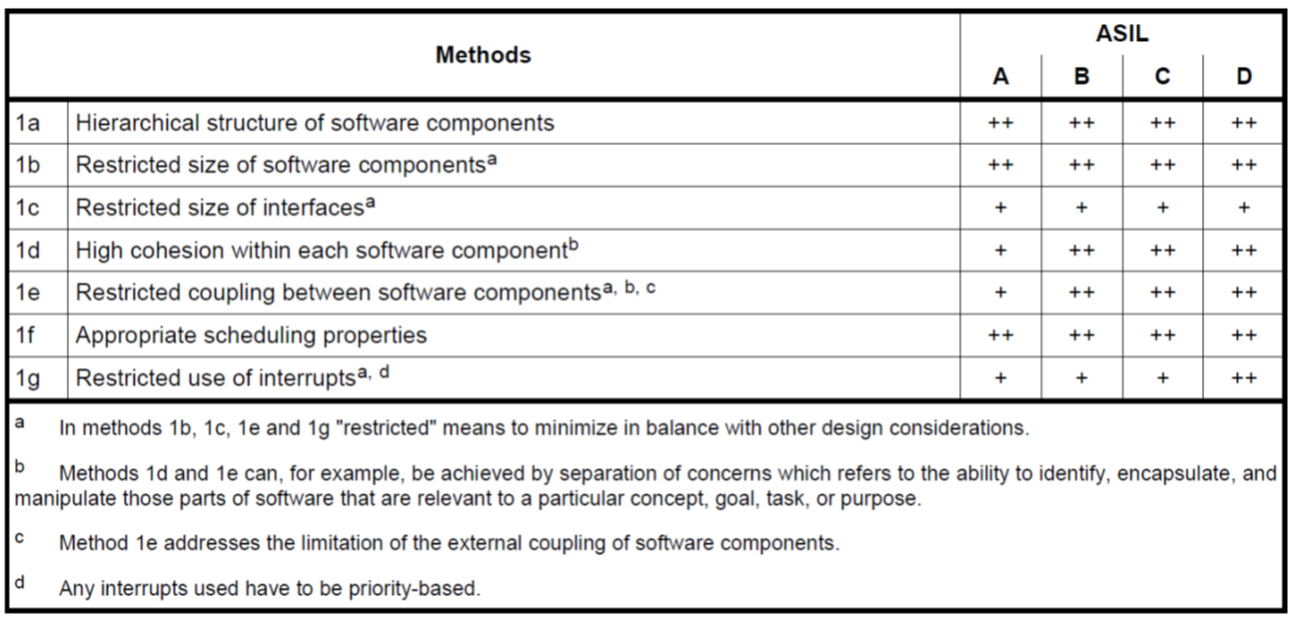 Does the software architectural design fulfill the following properties: modularity, encapsulation and simplicity?
21 | Is the software architectural design developed down to the level where all SW units are identifiable?
22 | Are the static design aspects of SW components described?
23 | Are the dynamic design aspects of SW components described?
24 | Are safety related SW components categorized as : - newly developed? - reused with modification? - reused without modification?
25 | Is the information above consistent with the safety plan and impact analysis report?
26 | Are safety related SW components that are newly developed or reused with modification developed according to ISO 26262?
27 | Are SW safety requirements allocated to the SW components?
28 | Are SW components developed with the highest ASIL of any allocated requirement?
29 | If SW partitioning used : - Are the shared resources used in such a way that freedom from interference of software partitions is ensured? - Is the software partitioning supported by dedicated hardware features or equivalent means? - Is the part of the software that implements the software partitioning developed in compliance with the same or an ASIL higher than the highest ASIL assigned to the requirements of the software partitions?
30 | Safety Analysis at software architecture level result:
31 | Does safety analysis carried out at SW architecture level identify or confirm safety related parts of the SW?
32 | According to safety analysis, are safety mechanism efficient?
33 | If the implementation of software safety requirements relies on freedom from interference or sufficient independence between software components, does the dependent failures analysis confirm it?

